Variable Description
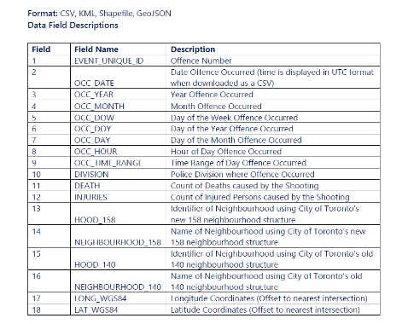
Source:
https://data.torontopolice.on.ca/pages/open-data
https://data.torontopolice.on.ca/search?collection=Dataset&q=shooting
Description
This dataset contains all shooting-related occurrences reported to the Toronto Police Service, including, but not limited to, those that may have been deemed unfounded after investigation. Shooting incidents in this dataset include both firearm discharges and shooting events, which are defined in the glossary in Appendix B. Page 9 of 35. In 2014, the Toronto Police Service changed records management systems. For occurrences prior to this date, coordinates are limited, therefore for some events with 0, 0 coordinates the neighbourhood will be identified as ‘NSA’ to indicate ‘Not Specified Area.

